Value Investing
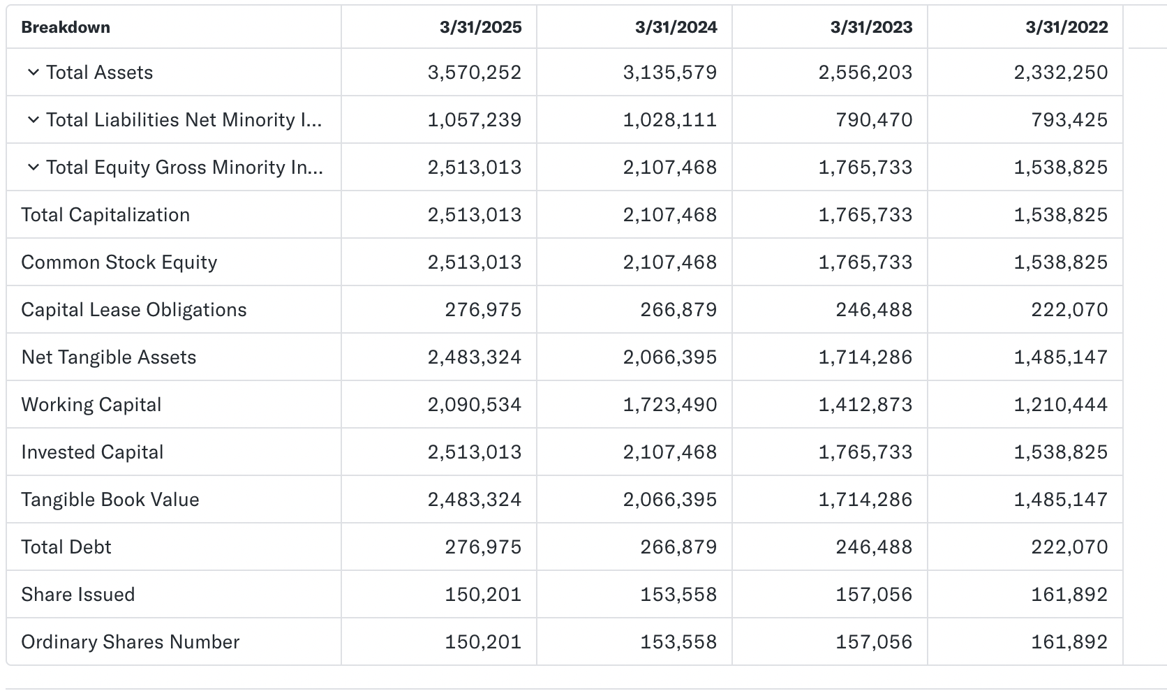
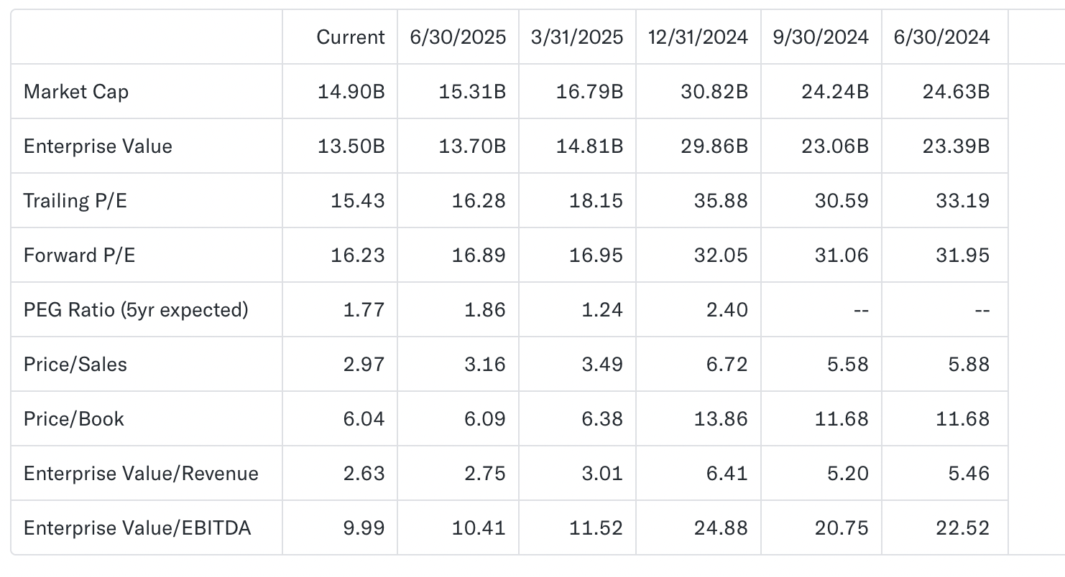
DECKERS OUTDOOR CORPORATION AND SUBSIDIARIES
FINAL VALUATION USING DCF
(dollar and share data amounts in thousands)
 | Historical |  |  |  |  |  | Projected
Year | 2020 | 2021 | 2022 | 2023 | 2024 | 2025 | 2026 | 2027 | 2028 | 2029 | 2030 | 2031 | 2032 | 2033 | 2034 | 2035
Unlevered Net Income | $219,788 | $327,733 | $367,060 | $424,288 | $602,884 | $766,410 | $748,265 | $887,055 | $1,051,587 | $1,246,637 | $1,477,864 | $1,751,981 | $2,076,941 | $2,462,175 | $2,918,862 | $3,460,257
Depreciation (+) | $235,939 | $266,905 | $282,571 | $317,508 | $349,138 | $402,964 | $547,070 | $648,541 | $768,834 | $911,438 | $1,080,493 | $1,280,904 | $1,518,488 | $1,800,139 | $2,134,032 | $2,529,855
Increase in NWC (-) | $289,266 | $289,266 | $28,013 | $202,429 | $310,617 | $367,044 | $705,073 | $518,533 | $614,711 | $728,729 | $863,895 | $1,024,131 | $1,214,088 | $1,439,279 | $1,706,238 | $2,022,714
Capital Expenditure (-) | $233,112 | $264,078 | $298,810 | $361,738 | $384,581 | $426,441 | $673,132 | $732,316 | $868,147 | $1,029,172 | $1,220,064 | $1,446,364 | $1,714,637 | $2,032,671 | $2,409,693 | $2,856,646
Free Cash Flow To Firm | $(66,651) | $41,294 | $322,808 | $177,629 | $256,824 | $375,889 | $(82,869) | $284,747 | $337,562 | $400,174 | $474,398 | $562,390 | $666,703 | $790,364 | $936,962 | $1,110,751

Discount Factor |  |  |  |  |  |  |  |  |  |  |  |  |  |  |  | $47,400,177
Using the Dividend Discount Model Method
TV | $47,400,177 |  | Share Price | $190 |  |  |  |  |  |  |  |  |  |  |  | $47,400,177
EV | $26,677,177
E | $28,142,789
Using EV/EBITDA exit multiple |  |  |  |  |  |  |  |  |  |  |  |  |  |  |  | $65,851,237
TV | $65,851,237 |  | Share Price | $251
EV | $35,761,027
E | $37,226,639
 |  |  |  |  |  |  | KKP NPV | Sensitivity Analysis |  |  |  |  |  |  |  |  | KKP NPV | Sensitivity Analysis
Shares Outstanding (In thousands) | 148,340 |  |  |  |  |  |  | Growth Rate |  |  |  |  |  |  |  |  |  | Exit Multiple
Total Debt | 266,876 | Taken from screenshot below |  |  |  |  | $190 | 2% | 2.5% | 3% | 3.5% | 4% | 4.5% | 5.0% |  |  | $251 | 8.00 | 9.00 | 10.00 | 11.00 | 12.00 | 13.00 | 14.00
EV/EBITDA | 11.52 | Taken from screenshot below |  |  |  | Wacc | 6.80% | $114 | $123 | $135 | $151 | $172 | $202 | $249 |  | Wacc | 6.80% | $193 | $213 | $233 | $253 | $273 | $293 | $313
 |  |  |  |  |  |  | 6.90% | $111 | $120 | $132 | $146 | $166 | $193 | $235 |  |  | 6.90% | $191 | $211 | $231 | $251 | $270 | $290 | $310
Lease Obligation | 276,975 |  |  |  |  |  | 7.00% | $109 | $117 | $128 | $142 | $160 | $185 | $223 |  |  | 7.00% | $190 | $209 | $229 | $248 | $268 | $288 | $307
 |  |  |  |  |  |  | 7.10% | $107 | $115 | $125 | $138 | $154 | $178 | $212 |  |  | 7.10% | $188 | $207 | $227 | $246 | $266 | $285 | $304
g | 5% |  |  |  |  |  | 7.20% | $104 | $112 | $122 | $134 | $149 | $171 | $202 |  |  | 7.20% | $186 | $206 | $225 | $244 | $263 | $283 | $302
Rf | 4.27% |  |  |  |  |  | 7.30% | $102 | $110 | $119 | $130 | $145 | $165 | $193 |  |  | 7.30% | $185 | $204 | $223 | $242 | $261 | $280 | $299
Rm - Rf | 5.5% |  |  |  |  |  | 7.40% | $100 | $107 | $116 | $126 | $140 | $159 | $185 |  |  | 7.40% | $183 | $202 | $221 | $240 | $259 | $278 | $297
Beta | 0.99 |  |  |  |  |  | 7.50% | $98 | $105 | $113 | $123 | $136 | $153 | $178 |  |  | 7.50% | $182 | $200 | $219 | $238 | $257 | $275 | $294
Unlevered R | 8.26% |  |  |  |  |  | 7.60% | $96 | $103 | $110 | $120 | $132 | $148 | $170 |  |  | 7.60% | $180 | $199 | $217 | $236 | $254 | $273 | $291
Tax | 22%
D/(D+E) | 0.13
Rd | 1.25%
WACC | 7.34%

